Clients Requirement

Sample Output:
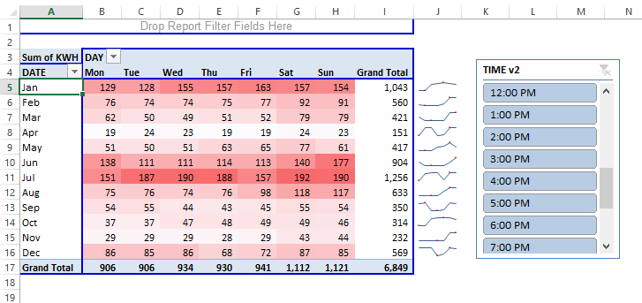
Clean the data and create an interactive report :)

